Sheet1
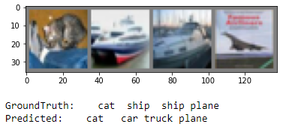
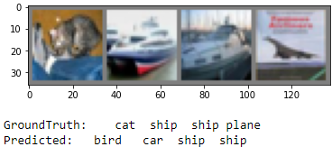
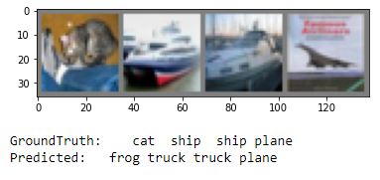
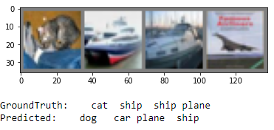
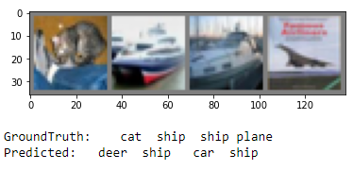
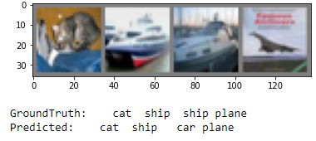
Variables
18 Layers | 34 Layers | 18 Layers | 34 Layers | 50 Layers | 101 Layers | 152 Layers | 18 Layers | 34 Layers | 50 Layers | 18 Layers | 34 Layers | 50 Layers
SGD | Adam | SGD | SGD | SGD | SGD | SGD | Adam | Adam | Adam | SGD | SGD | SGD
MaxPool | AvgPool | AvgPool | AvgPool | AvgPool | AvgPool | AvgPool | AvgPool | AvgPool | AvgPool | MaxPool | MaxPool | MaxPool
Sigmoid | ReLU | ReLU | ReLU | ReLU | ReLU | ReLU | ReLU | ReLU | ReLU | ReLU | ReLU | ReLU

Results
Accuracy 41% | Accuracy 61% | Accuracy of the network on the 10000 test images: 36 % | Accuracy 32% | 34 % | 22% | 26% | 47% | 52% | 63% | 40% | 29% | 27%
Accuracy of plane : 62 % | Accuracy of plane : 69 % | Accuracy of plane : 48 % | Accuracy of plane : 34 % | Accuracy of plane : 48 % | Accuracy of plane : 41 % | Accuracy of plane : 24 % | Accuracy of plane : 50 % | Accuracy of plane : 57 % | Accuracy of plane : 64 % | Accuracy of plane : 21 % | Accuracy of plane : 49 % | Accuracy of plane : 22 %
Accuracy of car : 65 % | Accuracy of car : 76 % | Accuracy of car : 58 % | Accuracy of car : 40 % | Accuracy of car : 36 % | Accuracy of car : 15 % | Accuracy of car : 41 % | Accuracy of car : 64 % | Accuracy of car : 69 % | Accuracy of car : 75 % | Accuracy of car : 48 % | Accuracy of car : 31 % | Accuracy of car : 28 %
Accuracy of bird : 18 % | Accuracy of bird : 52 % | Accuracy of bird : 26 % | Accuracy of bird : 7 % | Accuracy of bird : 15 % | Accuracy of bird : 2 % | Accuracy of bird : 5 % | Accuracy of bird : 24 % | Accuracy of bird : 44 % | Accuracy of bird : 51 % | Accuracy of bird : 7 % | Accuracy of bird : 11 % | Accuracy of bird : 24 %
Accuracy of cat : 20 % | Accuracy of cat : 50 % | Accuracy of cat : 21 % | Accuracy of cat : 1 % | Accuracy of cat : 27 % | Accuracy of cat : 5 % | Accuracy of cat : 17 % | Accuracy of cat : 42 % | Accuracy of cat : 30 % | Accuracy of cat : 42 % | Accuracy of cat : 35 % | Accuracy of cat : 6 % | Accuracy of cat : 2 %
Accuracy of deer : 46 % | Accuracy of deer : 55 % | Accuracy of deer : 18 % | Accuracy of deer : 55 % | Accuracy of deer : 30 % | Accuracy of deer : 12 % | Accuracy of deer : 25 % | Accuracy of deer : 44 % | Accuracy of deer : 42 % | Accuracy of deer : 56 % | Accuracy of deer : 53 % | Accuracy of deer : 29 % | Accuracy of deer : 20 %
Accuracy of dog : 45 % | Accuracy of dog : 29 % | Accuracy of dog : 27 % | Accuracy of dog : 43 % | Accuracy of dog : 29 % | Accuracy of dog : 28 % | Accuracy of dog : 20 % | Accuracy of dog : 28 % | Accuracy of dog : 40 % | Accuracy of dog : 38 % | Accuracy of dog : 38 % | Accuracy of dog : 50 % | Accuracy of dog : 14 %
Accuracy of frog : 26 % | Accuracy of frog : 67 % | Accuracy of frog : 49 % | Accuracy of frog : 30 % | Accuracy of frog : 47 % | Accuracy of frog : 48 % | Accuracy of frog : 21 % | Accuracy of frog : 52 % | Accuracy of frog : 63 % | Accuracy of frog : 74 % | Accuracy of frog : 33 % | Accuracy of frog : 35 % | Accuracy of frog : 37 %
Accuracy of horse : 54 % | Accuracy of horse : 68 % | Accuracy of horse : 42 % | Accuracy of horse : 29 % | Accuracy of horse : 28 % | Accuracy of horse : 17 % | Accuracy of horse : 39 % | Accuracy of horse : 49 % | Accuracy of horse : 54 % | Accuracy of horse : 74 % | Accuracy of horse : 47 % | Accuracy of horse : 17 % | Accuracy of horse : 36 %
Accuracy of ship : 31 % | Accuracy of ship : 83 % | Accuracy of ship : 38 % | Accuracy of ship : 51 % | Accuracy of ship : 38 % | Accuracy of ship : 35 % | Accuracy of ship : 35 % | Accuracy of ship : 62 % | Accuracy of ship : 61 % | Accuracy of ship : 75 % | Accuracy of ship : 77 % | Accuracy of ship : 25 % | Accuracy of ship : 52 %
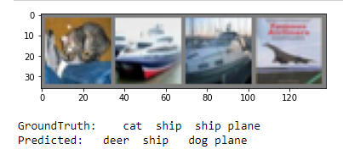
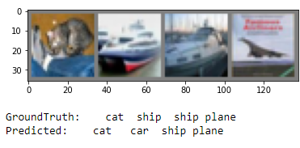
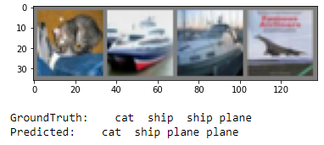
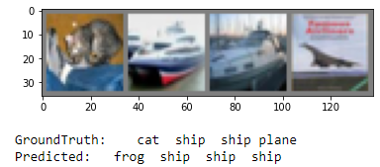
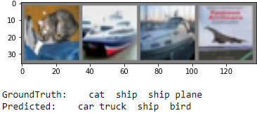
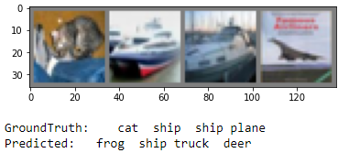
Accuracy of truck : 45 % | Accuracy of truck : 64 % | Accuracy of truck : 39 % | Accuracy of truck : 29 % | Accuracy of truck : 39 % | Accuracy of truck : 17 % | Accuracy of truck : 31 % | Accuracy of truck : 55 % | Accuracy of truck : 59 % | Accuracy of truck : 78 % | Accuracy of truck : 38 % | Accuracy of truck : 32 % | Accuracy of truck : 38 %

18 SGD MaxPool Sigmoid | 18 SGD MaxPool ReLU | 18 SGD AvgPool Sigmoid | 18 SGD AvgPool ReLU | 18 ADAM MaxPool Sigmoid | 18 ADAM MaxPool ReLU | 18 ADAM AvgPool Sigmoid | 18 ADAM AvgPool ReLU
Accuracy 41% | 40% | 49% | Accuracy of the network on the 10000 test images: 36 % | 54% | 56% | 52% | 47%
Accuracy of plane : 62 % | Accuracy of plane : 21 % | Accuracy of plane : 42 % | Accuracy of plane : 48 % | Accuracy of plane : 69 % | Accuracy of plane : 63 % | Accuracy of plane : 58 % | Accuracy of plane : 50 %
Accuracy of car : 65 % | Accuracy of car : 48 % | Accuracy of car : 51 % | Accuracy of car : 58 % | Accuracy of car : 70 % | Accuracy of car : 59 % | Accuracy of car : 67 % | Accuracy of car : 64 %
Accuracy of bird : 18 % | Accuracy of bird : 7 % | Accuracy of bird : 28 % | Accuracy of bird : 26 % | Accuracy of bird : 38 % | Accuracy of bird : 42 % | Accuracy of bird : 34 % | Accuracy of bird : 24 %
Accuracy of cat : 20 % | Accuracy of cat : 35 % | Accuracy of cat : 49 % | Accuracy of cat : 21 % | Accuracy of cat : 35 % | Accuracy of cat : 39 % | Accuracy of cat : 25 % | Accuracy of cat : 42 %
Accuracy of deer : 46 % | Accuracy of deer : 53 % | Accuracy of deer : 63 % | Accuracy of deer : 18 % | Accuracy of deer : 47 % | Accuracy of deer : 46 % | Accuracy of deer : 44 % | Accuracy of deer : 44 %
Accuracy of dog : 45 % | Accuracy of dog : 38 % | Accuracy of dog : 21 % | Accuracy of dog : 27 % | Accuracy of dog : 40 % | Accuracy of dog : 37 % | Accuracy of dog : 51 % | Accuracy of dog : 28 %
Accuracy of frog : 26 % | Accuracy of frog : 33 % | Accuracy of frog : 55 % | Accuracy of frog : 49 % | Accuracy of frog : 61 % | Accuracy of frog : 73 % | Accuracy of frog : 65 % | Accuracy of frog : 52 %
Accuracy of horse : 54 % | Accuracy of horse : 47 % | Accuracy of horse : 50 % | Accuracy of horse : 42 % | Accuracy of horse : 63 % | Accuracy of horse : 56 % | Accuracy of horse : 55 % | Accuracy of horse : 49 %
Accuracy of ship : 31 % | Accuracy of ship : 77 % | Accuracy of ship : 60 % | Accuracy of ship : 38 % | Accuracy of ship : 63 % | Accuracy of ship : 72 % | Accuracy of ship : 63 % | Accuracy of ship : 62 %
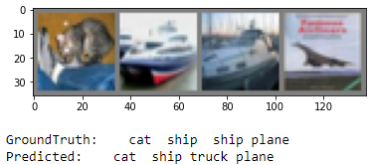
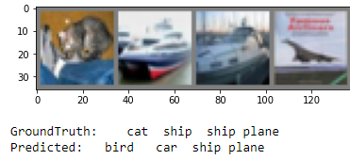

Accuracy of truck : 45 % | Accuracy of truck : 38 % | Accuracy of truck : 75 % | Accuracy of truck : 39 % | Accuracy of truck : 58 % | Accuracy of truck : 69 % | Accuracy of truck : 59 % | Accuracy of truck : 55 %

34 SGD MaxPool Sigmoid | 34 SGD MaxPool ReLU | 34 SGD AvgPool Sigmoid | 34 SGD AvgPool ReLU | 34 ADAM MaxPool Sigmoid | 34 ADAM MaxPool ReLU | 34 ADAM AvgPool Sigmoid | 34 ADAM AvgPool ReLU
49% | 29% | 32% | 32% | 50% | 48% | 42% | 46%
Accuracy of plane : 62 % | Accuracy of plane : 48 % | Accuracy of plane : 43 % | Accuracy of plane : 39 % | Accuracy of plane : 67 % | Accuracy of plane : 59 % | Accuracy of plane : 50 % | Accuracy of plane : 63 %
Accuracy of car : 65 % | Accuracy of car : 43 % | Accuracy of car : 24 % | Accuracy of car : 46 % | Accuracy of car : 68 % | Accuracy of car : 68 % | Accuracy of car : 52 % | Accuracy of car : 67 %
Accuracy of bird : 36 % | Accuracy of bird : 19 % | Accuracy of bird : 13 % | Accuracy of bird : 7 % | Accuracy of bird : 38 % | Accuracy of bird : 34 % | Accuracy of bird : 22 % | Accuracy of bird : 25 %
Accuracy of cat : 21 % | Accuracy of cat : 9 % | Accuracy of cat : 11 % | Accuracy of cat : 21 % | Accuracy of cat : 34 % | Accuracy of cat : 39 % | Accuracy of cat : 38 % | Accuracy of cat : 22 %
Accuracy of deer : 28 % | Accuracy of deer : 26 % | Accuracy of deer : 13 % | Accuracy of deer : 42 % | Accuracy of deer : 35 % | Accuracy of deer : 40 % | Accuracy of deer : 27 % | Accuracy of deer : 31 %
Accuracy of dog : 45 % | Accuracy of dog : 35 % | Accuracy of dog : 39 % | Accuracy of dog : 19 % | Accuracy of dog : 34 % | Accuracy of dog : 26 % | Accuracy of dog : 17 % | Accuracy of dog : 37 %
Accuracy of frog : 56 % | Accuracy of frog : 20 % | Accuracy of frog : 59 % | Accuracy of frog : 30 % | Accuracy of frog : 64 % | Accuracy of frog : 53 % | Accuracy of frog : 52 % | Accuracy of frog : 60 %
Accuracy of horse : 58 % | Accuracy of horse : 41 % | Accuracy of horse : 27 % | Accuracy of horse : 35 % | Accuracy of horse : 62 % | Accuracy of horse : 56 % | Accuracy of horse : 49 % | Accuracy of horse : 60 %
Accuracy of ship : 63 % | Accuracy of ship : 38 % | Accuracy of ship : 34 % | Accuracy of ship : 28 % | Accuracy of ship : 54 % | Accuracy of ship : 64 % | Accuracy of ship : 56 % | Accuracy of ship : 49 %




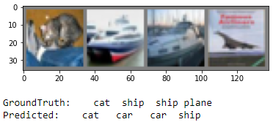

Accuracy of truck : 55 % | Accuracy of truck : 16 % | Accuracy of truck : 49 % | Accuracy of truck : 54 % | Accuracy of truck : 50 % | Accuracy of truck : 42 % | Accuracy of truck : 56 % | Accuracy of truck : 51 %
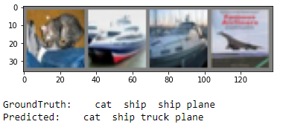

50 SGD MaxPool Sigmoid | 50 SGD MaxPool ReLU | 50 SGD AvgPool Sigmoid | 50 SGD AvgPool ReLU | 50 ADAM MaxPool Sigmoid | 50 ADAM MaxPool ReLU | 50 ADAM AvgPool Sigmoid | 50 ADAM AvgPool ReLU
38% | 34% | 35% | 27% | 56% | 58% | 42% | 38%
Accuracy of plane : 38 % | Accuracy of plane : 44 % | Accuracy of plane : 41 % | Accuracy of plane : 44 % | Accuracy of plane : 58 % | Accuracy of plane : 60 % | Accuracy of plane : 43 % | Accuracy of plane : 45 %
Accuracy of car : 57 % | Accuracy of car : 44 % | Accuracy of car : 57 % | Accuracy of car : 40 % | Accuracy of car : 70 % | Accuracy of car : 71 % | Accuracy of car : 49 % | Accuracy of car : 68 %
Accuracy of bird : 14 % | Accuracy of bird : 10 % | Accuracy of bird : 26 % | Accuracy of bird : 18 % | Accuracy of bird : 35 % | Accuracy of bird : 43 % | Accuracy of bird : 31 % | Accuracy of bird : 10 %
Accuracy of cat : 15 % | Accuracy of cat : 3 % | Accuracy of cat : 9 % | Accuracy of cat : 2 % | Accuracy of cat : 30 % | Accuracy of cat : 50 % | Accuracy of cat : 13 % | Accuracy of cat : 10 %
Accuracy of deer : 27 % | Accuracy of deer : 41 % | Accuracy of deer : 11 % | Accuracy of deer : 27 % | Accuracy of deer : 44 % | Accuracy of deer : 52 % | Accuracy of deer : 29 % | Accuracy of deer : 22 %
Accuracy of dog : 34 % | Accuracy of dog : 37 % | Accuracy of dog : 40 % | Accuracy of dog : 17 % | Accuracy of dog : 51 % | Accuracy of dog : 32 % | Accuracy of dog : 37 % | Accuracy of dog : 39 %
Accuracy of frog : 61 % | Accuracy of frog : 42 % | Accuracy of frog : 49 % | Accuracy of frog : 32 % | Accuracy of frog : 67 % | Accuracy of frog : 67 % | Accuracy of frog : 59 % | Accuracy of frog : 55 %
Accuracy of horse : 53 % | Accuracy of horse : 30 % | Accuracy of horse : 35 % | Accuracy of horse : 34 % | Accuracy of horse : 63 % | Accuracy of horse : 66 % | Accuracy of horse : 48 % | Accuracy of horse : 47 %
Accuracy of ship : 47 % | Accuracy of ship : 40 % | Accuracy of ship : 41 % | Accuracy of ship : 33 % | Accuracy of ship : 70 % | Accuracy of ship : 71 % | Accuracy of ship : 56 % | Accuracy of ship : 57 %
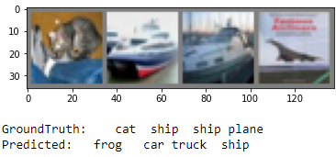

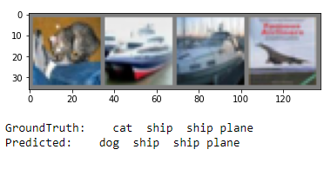
Accuracy of truck : 38 % | Accuracy of truck : 47 % | Accuracy of truck : 44 % | Accuracy of truck : 24 % | Accuracy of truck : 71 % | Accuracy of truck : 73 % | Accuracy of truck : 56 % | Accuracy of truck : 23 %
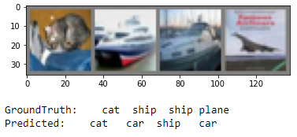
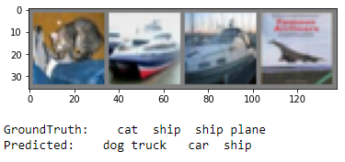
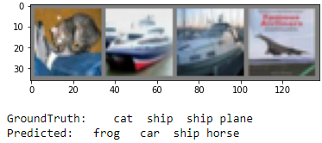
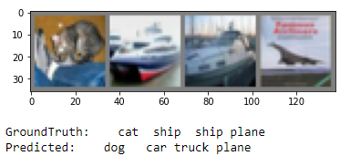
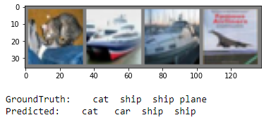

GoogLeNet SGD MaxPool Sigmoid | GoogLeNet SGD MaxPool ReLU | GoogLeNet SGD AvgPool Sigmoid | GoogLeNet SGD AvgPool ReLU | GoogLeNet ADAM MaxPool Sigmoid | GoogLeNet ADAM MaxPool ReLU | GoogLeNet ADAM AvgPool Sigmoid | GoogLeNet ADAM AvgPool ReLU
51% | 54% | 37% | 42% | 23% | 29% | 26% | 22%
Accuracy of plane : 67 % | Accuracy of plane : 64 % | Accuracy of plane : 34 % | Accuracy of plane : 51 % | Accuracy of plane : 37 % | Accuracy of plane : 24 % | Accuracy of plane : 38 % | Accuracy of plane : 26 %
Accuracy of car : 39 % | Accuracy of car : 66 % | Accuracy of car : 48 % | Accuracy of car : 52 % | Accuracy of car : 36 % | Accuracy of car : 25 % | Accuracy of car : 42 % | Accuracy of car : 19 %
Accuracy of bird : 31 % | Accuracy of bird : 35 % | Accuracy of bird : 6 % | Accuracy of bird : 30 % | Accuracy of bird : 13 % | Accuracy of bird : 9 % | Accuracy of bird : 3 % | Accuracy of bird : 6 %
Accuracy of cat : 22 % | Accuracy of cat : 33 % | Accuracy of cat : 13 % | Accuracy of cat : 22 % | Accuracy of cat : 1 % | Accuracy of cat : 5 % | Accuracy of cat : 8 % | Accuracy of cat : 28 %
Accuracy of deer : 45 % | Accuracy of deer : 48 % | Accuracy of deer : 44 % | Accuracy of deer : 26 % | Accuracy of deer : 7 % | Accuracy of deer : 27 % | Accuracy of deer : 13 % | Accuracy of deer : 2 %
Accuracy of dog : 49 % | Accuracy of dog : 43 % | Accuracy of dog : 38 % | Accuracy of dog : 26 % | Accuracy of dog : 40 % | Accuracy of dog : 55 % | Accuracy of dog : 23 % | Accuracy of dog : 6 %
Accuracy of frog : 63 % | Accuracy of frog : 58 % | Accuracy of frog : 46 % | Accuracy of frog : 62 % | Accuracy of frog : 30 % | Accuracy of frog : 29 % | Accuracy of frog : 44 % | Accuracy of frog : 41 %
Accuracy of horse : 58 % | Accuracy of horse : 62 % | Accuracy of horse : 38 % | Accuracy of horse : 45 % | Accuracy of horse : 7 % | Accuracy of horse : 30 % | Accuracy of horse : 26 % | Accuracy of horse : 26 %
Accuracy of ship : 60 % | Accuracy of ship : 64 % | Accuracy of ship : 58 % | Accuracy of ship : 67 % | Accuracy of ship : 31 % | Accuracy of ship : 46 % | Accuracy of ship : 34 % | Accuracy of ship : 53 %
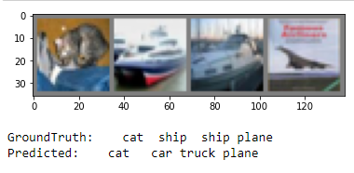

Accuracy of truck : 77 % | Accuracy of truck : 65 % | Accuracy of truck : 39 % | Accuracy of truck : 42 % | Accuracy of truck : 34 % | Accuracy of truck : 40 % | Accuracy of truck : 30 % | Accuracy of truck : 12 %

